Sheet1
 | Document No. |  | Issue No. | Issue Date |  | Review and Replace Date |  | Authorised By
 | GFF333MC |  | 5 | 11.10.2021 |  | 17.10.2025
 | Document Title |  | Bang Bang Cauliflower & Tamarind Dip 200g
 |  |  |  |  |  |  |  | Magda Shah
Document amendments reason for change | Film updated |  | Page 1 of 1 |  | Previous Issue Date |  | 13.10.2023 | Uncontrolled copy unless signed original

CBBCC-R1TEB |  | BOOTHS - XMAS |  | Bang Bang Cauliflower & Tamarind Dip 200g

Minimum 7 pieces
 |  |  |  |  |  |  | 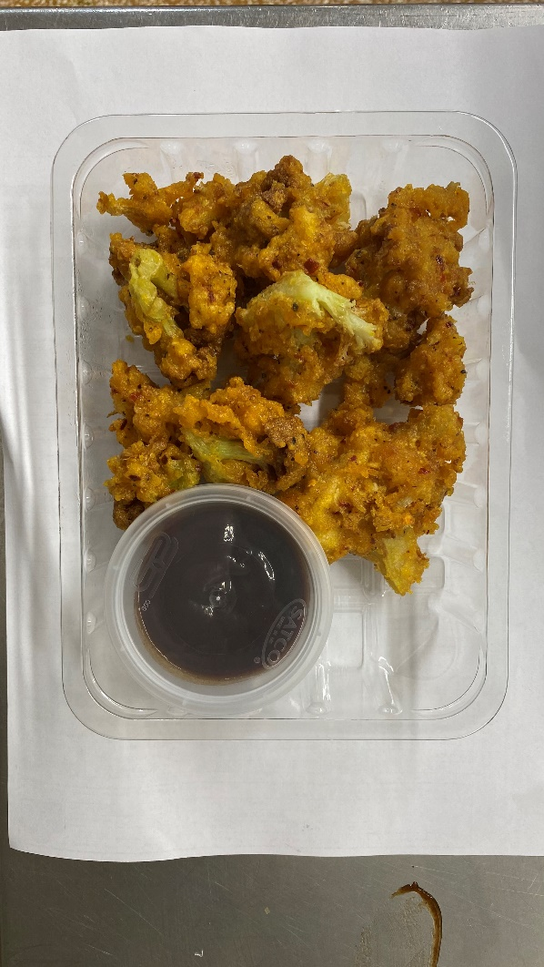

COOK DAY + 12 DAYS

Tray: SK4 Plain Clear (PKESS001-07) |  |  | Tamarind Dip (RMP&B001-04): 40g |  |  |  | Bang Bang Cauliflower (GFF394R): 160g
Film: AF Weld Film (300mmX1000lm)- PKKMP001-07 |  |  | Satco 2oz Pots with Lids (PKJEN001-03) |  |  |  | Total Weight: 200g
ALLERGY ALERT: No Allergen

